Dashboard
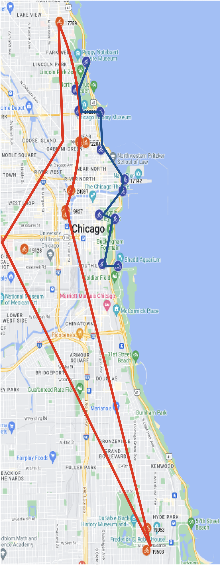


Casual Riders
Member Riders
Cyclistic User
Data 2022
Beth Mara
Coursera 2023
Top 10 Rental Locations
Casual Riders Use Lake Front Bikes
Rides Per Month:
Consistently More Members vs Casual
 | Casual | Member | Grand Total
Jan | 18520 | 85250 | 103770
Feb | 21416 | 94193 | 115609
Mar | 89882 | 194160 | 284042
Apr | 91897 | 180663 | 272560
May | 220246 | 282299 | 502545
Jun | 369051 | 400153 | 769204
Jul | 406055 | 417433 | 823488
Aug | 358924 | 427008 | 785932
Sep | 296697 | 404637 | 701334
Oct | 208989 | 349696 | 558685
Nov | 100772 | 236963 | 337735
Dec | 44894 | 136912 | 181806

 |  |  |  | Member Top Start Station Name | Count
 |  |  |  | Member Top Station | Count
 |  |  |  | Kingsbury St & Kinzie St | 24937
 |  |  |  | Clark St & Elm St | 22040
 |  |  |  | Wells St & Concord Ln | 21298
 |  |  |  | University Ave & 57th St | 19953
 |  |  |  | Clinton St & Washington Blvd | 19827
 |  |  |  | Ellis Ave & 60th St | 19503
 |  |  |  | Loomis St & Lexington St | 19128
 |  |  |  | Wells St & Elm St | 18987
 |  |  |  | Clinton St & Madison St | 18931
 |  |  |  | Broadway & Barry Ave | 17759
 |  |  |  | Streeter Dr & Grand Ave | 17142
 |  |  |  | sum | 219505

 |  |  |  | Casual Top Station | Count
 |  |  |  | Streeter Dr & Grand Ave | 58095
 |  |  |  | DuSable Lake Shore Dr & Monroe St | 31863
 |  |  |  | Millennium Park | 25530
 |  |  |  | Michigan Ave & Oak St | 25265
 |  |  |  | DuSable Lake Shore Dr & North Blvd | 23657
 |  |  |  | Shedd Aquarium | 20265
Month | Casual | Member | Grand Total | Theater on the Lake | 18452
Jan | 18520 | 85250 | 103770 | Wells St & Concord Ln | 16217
Feb | 21416 | 94193 | 115609 | Dusable Harbor | 14104
Mar | 89882 | 194160 | 284042 | Clark St & Armitage Ave | 13804
Apr | 91897 | 180663 | 272560 | Indiana Ave & Roosevelt Rd | 13691
May | 220246 | 282299 | 502545 | sum | 260943
Jun | 369051 | 400153 | 769204
Jul | 406055 | 417433 | 823488
Aug | 358924 | 427008 | 785932
Sep | 296697 | 404637 | 701334
Oct | 208989 | 349696 | 558685
Nov | 100772 | 236963 | 337735
Dec | 44894 | 136912 | 181806

Monthly Data cyclistic
Monthly Rides by User Type
Sum of Count | Column Labels
Row Labels | Casual | member | (blank) | Grand Total
Jan | 18520 | 85250 |  | 103770
Feb | 21416 | 94193 |  | 115609
Mar | 89882 | 194160 |  | 284042
Apr | 91897 | 180663 |  | 272560
May | 220246 | 282299 |  | 502545
Jun | 369051 | 400153 |  | 769204
Jul | 406055 | 417433 |  | 823488
Aug | 358924 | 427008 |  | 785932
Sep | 296697 | 404637 |  | 701334
Oct | 208989 | 349696 |  | 558685
Nov | 100772 | 236963 |  | 337735
Dec | 44894 | 136912 |  | 181806
Grand Total | 2227343 | 3209367 |  | 5436710

Month | Casual | Member | Grand Total
Jan | 18520 | 85250 | 103770
Feb | 21416 | 94193 | 115609
Mar | 89882 | 194160 | 284042
Apr | 91897 | 180663 | 272560
May | 220246 | 282299 | 502545
Jun | 369051 | 400153 | 769204
Jul | 406055 | 417433 | 823488
Aug | 358924 | 427008 | 785932
Sep | 296697 | 404637 | 701334
Oct | 208989 | 349696 | 558685
Nov | 100772 | 236963 | 337735
Dec | 44894 | 136912 | 181806

 |  |  | 5436710

data
month number | month | Member_Casual | Count
1 | Jan | Casual | 18520 | 17.85%
1 | Jan | Member | 85250
2 | Feb | Casual | 21416
2 | Feb | Member | 94193
3 | Mar | Casual | 89882
3 | Mar | Member | 194160
4 | Apr | Casual | 91897
4 | Apr | Member | 180663
5 | May | Casual | 220246
5 | May | Member | 282299
6 | Jun | Casual | 369051
6 | Jun | Member | 400153
7 | Jul | Casual | 406055
7 | Jul | Member | 417433
8 | Aug | Casual | 358924
8 | Aug | Member | 427008
9 | Sep | Casual | 296697
9 | Sep | Member | 404637
10 | Oct | Casual | 208989
10 | Oct | Member | 349696
11 | Nov | Casual | 100772
11 | Nov | Member | 236963
12 | Dec | Casual | 44894
12 | Dec | Member | 136912

Grand Total |  | Member | 3209367
 |  | Casual | 2208823

Percent Usage by Month
 |  | Casual | Member
 | Jan | 0.8 | 2.7
"Monthly Ride Share Trends: Casual vs Member Users as a Percentage of Total Rides"
 | Feb | 1.0 | 2.9
 | Mar | 4.1 | 6.0
 | Apr | 4.2 | 5.6
 | May | 10.0 | 8.8
 | Jun | 16.7 | 12.5
 | Jul | 18.4 | 13.0
 | Aug | 16.2 | 13.3
 | Sep | 13.4 | 12.6
 | Oct | 9.5 | 10.9
 | Nov | 4.6 | 7.4
 | Dec | 2.0 | 4.3

 |  | 100.8 | 100.0

Bicycle Usage by Type and User 2022
rideable_type | count

No Data |  | 230795

User | Bike | Count
Casual | Classic | 891459
Casual | Electric | 1192856
Member | Classic | 1709753
Member | Electric | 1538579

Casual | Docked | 177474

Sum of Count | Bike
User | Classic | Electric | Grand Total
Casual | 891459 | 1192856 | 2084315
Member | 1709753 | 1538579 | 3248332
Grand Total | 2601212 | 2731435 | 5332647

Top Start Station Name 2022
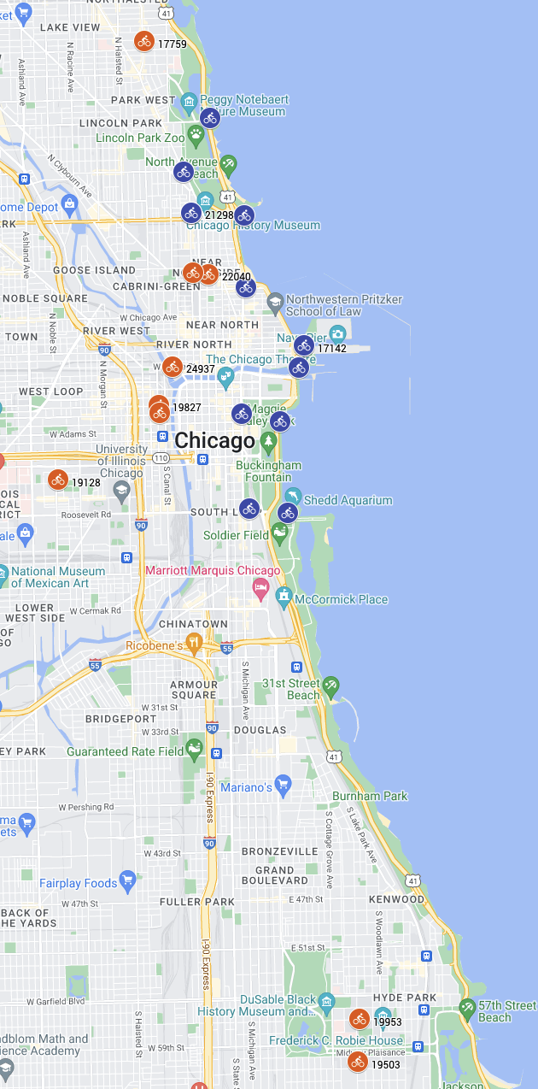
Member Top Start Station Name in Descending Order
Start Station | Count |  | Latitude | Longitude | Count | Member Type
Kingsbury St & Kinzie St | 24937 | 11 | 41.889177 | -87.638506 | 24937 | member
Clark St & Elm St | 22040 | 10 | 41.902973 | -87.63128 | 22040 | member
Wells St & Concord Ln | 21298 | 10 | 41.912133 | -87.634656 | 21298 | member
University Ave & 57th St | 19953 | 9 | 41.791478 | -87.600853 | 19953 | member
Clinton St & Washington Blvd | 19827 | 9 | 41.88338 | -87.64117 | 19827 | member
Ellis Ave & 60th St | 19503 | 9 | 41.785097 | -87.601187 | 19503 | member
Loomis St & Lexington St | 19128 | 9 | 41.872187 | -87.661501 | 19128 | member
Wells St & Elm St | 18987 | 9 | 41.903222 | -87.634324 | 18987 | member
Clinton St & Madison St | 18931 | 9 | 41.882242 | -87.641066 | 18931 | member
Broadway & Barry Ave | 17759 | 8 | 41.937725 | -87.644095 | 17759 | member
Streeter Dr & Grand Ave | 17142 | 8 | 41.892278 | -87.612043 | 17142 | member
sum | 219505

Casual Top Start Station Name in Descending Order
Streeter Dr & Grand Ave | 58095 | 22 | 41.892278 | -87.612043 | 58095 | casual
DuSable Lake Shore Dr & Monroe St | 31863 | 12 | 41.880958 | -87.616743 | 31863 | casual
Millennium Park | 25530 | 10 | 41.882091 | -87.624595 | 25530 | casual
Michigan Ave & Oak St | 25265 | 10 | 41.90096 | -87.623777 | 25265 | casual
DuSable Lake Shore Dr & North Blvd | 23657 | 9 | 41.911722 | -87.623983 | 23657 | casual
Shedd Aquarium | 20265 | 8 | 41.867226 | -87.615355 | 20265 | casual
Theater on the Lake | 18452 | 7 | 41.926277 | -87.630831 | 18452 | casual
Wells St & Concord Ln | 16217 | 6 | 41.912133 | -87.634656 | 16217 | casual
Dusable Harbor | 14104 | 5 | 41.888979 | -87.612994 | 14104 | casual
Clark St & Armitage Ave | 13804 | 5 | 41.918306 | -87.636282 | 13804 | casual
Indiana Ave & Roosevelt Rd | 13691 | 5 | 41.867888 | -87.623041 | 13691 | casual
sum | 260943

